Sheet1
Q1 | An objective function is defined as f(n) = (2-w) * g(n) + w * h(n) where g(n) is the path cost to n from start state and h(n) is the heuristic estimate of cost from n to a goal state. For which of the following conditions is the above function guaranteed to be optimal | w = 0 and w = 1 only | w = 1 and w = 2 only | w = 0 and w = 2 only | All values of w ranging from 0 to 2 | 1
Q2 | Perform the A* Algorithm on the following figure. Mention the Minimum cost path ( eg: start->X->Goal ) as well as the minimum cost | Path Taken Start->A->B->C->Goal | Min Path cost : 8
 | 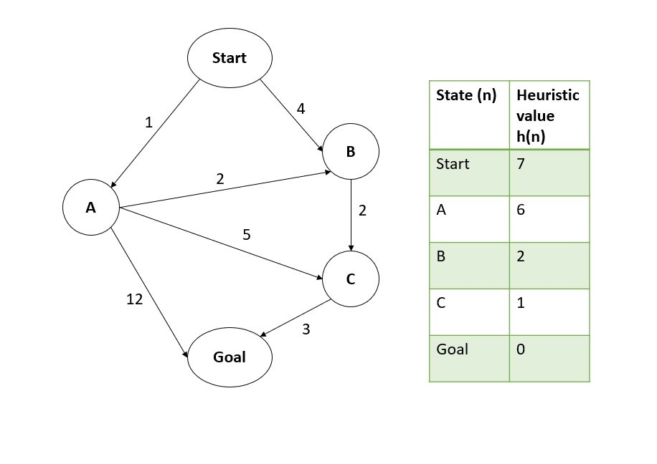
Q3 | For the same graph in the previous question, two heuristics were defined for start state S such that h1 = 9 and h2 = 8. In that case, which of the following is true about their admissability? | Only h1 is admissable | Only h2 is admissable | Both h1 and h2 are admissable | Neither h1 nor h2 is admissable | 2

Q4 | If we use a heuristic that returns 0 for each state, does performing an A* search guarantee to output optimal solution? | TRUE | FALSE |  |  | 1
Q5 | If we use a consistent and admissable heuristic, does performing an A* search guarantee to output optimal solution? | TRUE | FALSE |  |  | 1

